ARB on HDV freight
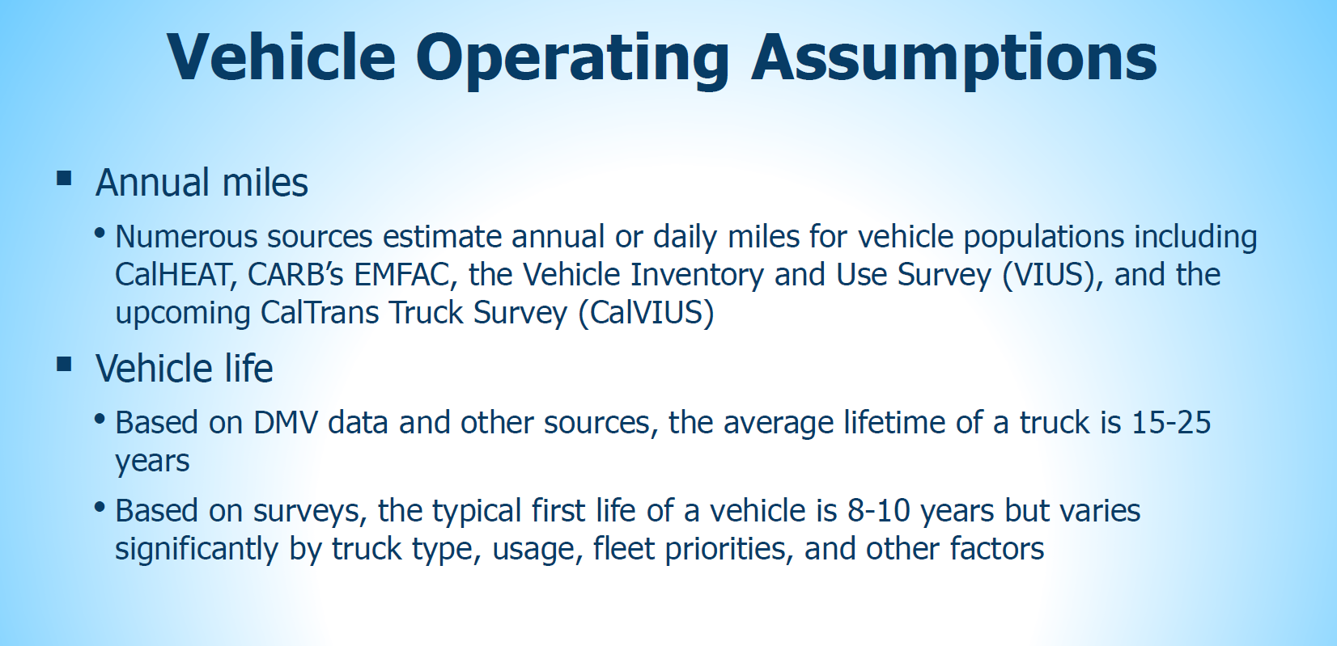
CARB states limit on truck life is 25 years.

Lifetime per federal data | 28
Limit to 25 years based on below. | 25

https://ww2.arb.ca.gov/sites/default/files/2018-12/181204workgrouppresentation.pdf

